Output Charts
 | Metric: Urbanisation Rate - Average Annual Rate of Change of the Percentage Urban
 | Since 1995 - 2020 Urbanisation rate in India is growing amongst its peers which is stagnant or declinng
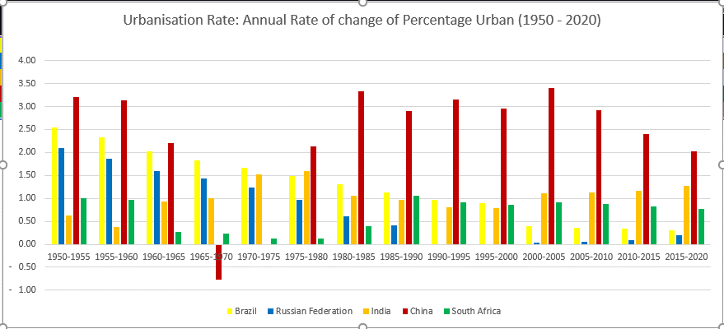

 |  |  |  |  |  |  |  |  |  |  |  | Observation
 |  |  |  |  |  |  |  |  |  |  |  | 1 | India had a declning urbanisation rate from 80 - 95 along with Brazil and Russia

 |  |  |  |  |  |  |  |  |  |  |  | 2 | China has the missing decade between 1965 - 1975 bust has highest urbanisation rate since 1980's

 | Degree of urbanisation
 | India's is behind Brazil in degree of urbanisation

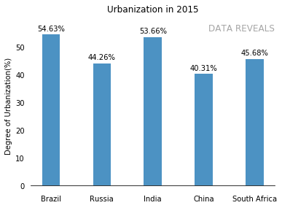

 |  |  |  |  |  |  |  |  |  |  |  | Observation

 |  |  |  |  |  |  |  |  |  |  |  | 1

 | India's Urban Centers dropped by 1%, urban clusters (0.90) and rural grid cell (0.10) grew incrementlly over 1975
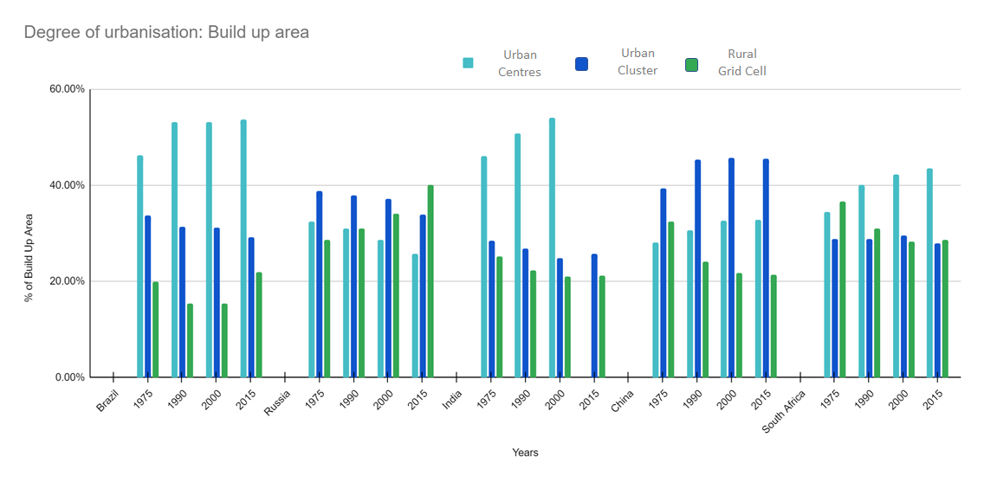

 |  |  |  |  |  |  |  |  |  |  |  | Observation
 |  |  |  |  |  |  |  |  |  |  |  | 1 | India's Build up area for urban cluster is degrowing (28.50% to 25.70%) from 1975

 |  |  |  |  |  |  |  |  |  |  |  | 2 | Russia and Brazil are indicating deurbanisation characteristics with growth in rural grid cell
 |  |  |  |  |  |  |  |  |  |  |  | 3 | Russia and China have highest built growth in up area aross urban clusters wrt peers

 | Population density in India has increased in urban centres but descreased in the urban clusters
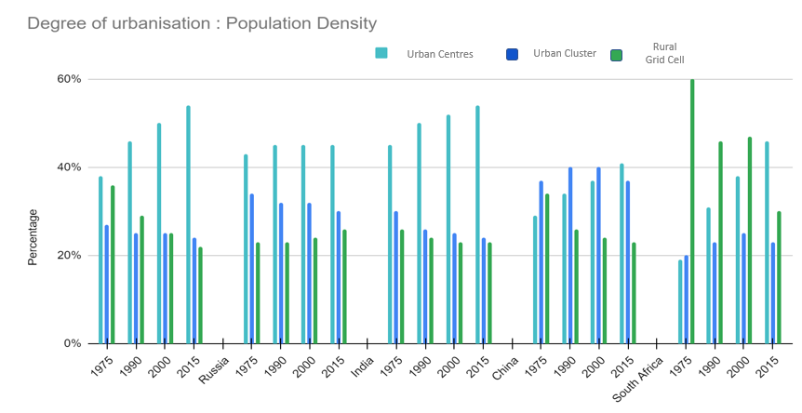

 |  |  |  |  |  |  |  |  |  |  |  | Observation
 |  |  |  |  |  |  |  |  |  |  |  | 1 | India and Brazil follow similar population density across urban centres and urban clusters

 |  |  |  |  |  |  |  |  |  |  |  | 2 | India has drop in population density across urban clusters over 1975 - 2015

 |  |  | Brazil

 | Urban population density
 | India is the densest country as compared to its peers in BRICS

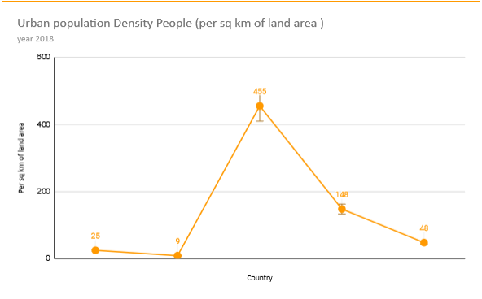

 |  |  |  |  |  |  |  |  |  |  |  | Observation
 |  |  |  |  |  |  |  |  |  |  |  | 1 | India has scored the highest on urban population debnsity when compared to the other BRICS nations.
 |  |  |  |  |  |  |  |  |  |  |  | 2 | Nonetheless, the increase in density can be attributed to the total population as India is the second highest populated nation in the world. Therefore it cannot be construed that India's urban density is higher.

 |  | Brazil |  | Russia |  | India |  | China |  | South AFrica

 | Urban population
 | India has lowest % of total population among BRICS countries
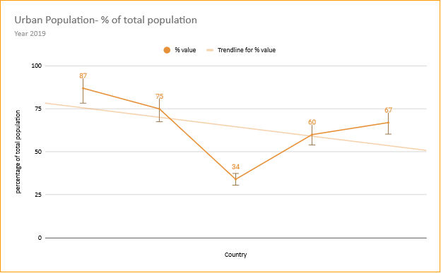

 |  |  |  |  |  |  |  |  |  |  |  | Observation
 |  |  |  |  |  |  |  |  |  |  |  | 1 | India has scored the least in terms of total population in Urban areas at 34% of the total population when compared to the average 64.5% in other areas. In this measure India falls far behind the other emerging nations

 |  | Brazil |  | Russia |  | India |  | China |  | South Africa

 | Increase in urban population
 | India comes fourth after Brazil, South africa, Russia
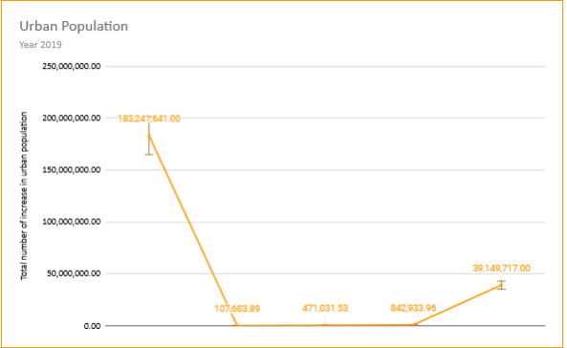

 |  |  |  |  |  |  |  |  |  |  |  | Observation
 |  |  |  |  |  |  |  |  |  |  |  | 1 | The increase in the number of urban population in the year 2019. India is yet again in the bottom two of the BRICS nations. It can be stated that the flow although urbanisation in India is increasing but its much slower when compared to the the other BRICS nations

 |  |  | Brazil |  | Russia | India |  | China | South Africa

 | Built up area per person
 | India has lowest surface of the built up are/person among BRICS

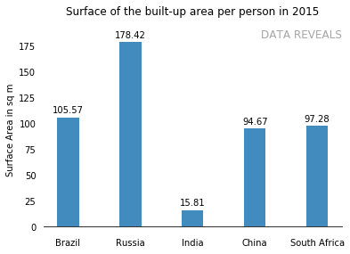
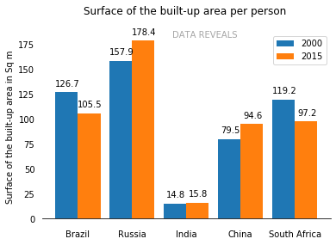

 |  |  |  |  |  |  |  |  |  |  |  |  |  | Observation

 |  |  |  |  |  |  |  |  |  |  |  |  |  | 1
 |  |  |  |  |  |  |  |  |  |  |  |  |  | 2

 |  | Total built up area |  |  |  |  |  |  |  |  |  | Observation
 |  |  |  |  |  |  |  |  |  |  |  | 1 | Brazil and South Africa has decreased the built up area per person from 2000 to 2015

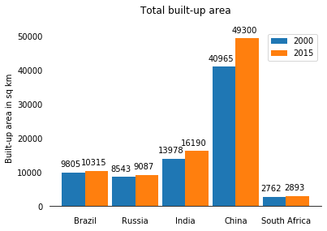

 |  | Urban agglomeration

 |  | India indicates lowest effects of urban agglomeration with 16%
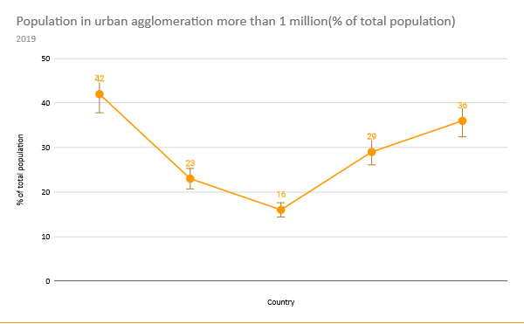

 |  |  |  |  |  |  |  |  |  |  |  | Observation
 |  |  |  |  |  |  |  |  |  |  |  | 1 | India has scored 16% of urban agglomeration of more than 1 million in total % of population. Again falling at the last place.

 |  |  | Brazil |  | Russia |  | India |  | China |  | South Africa

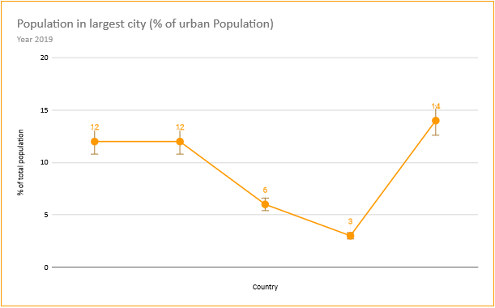

 |  |  |  |  |  |  |  |  |  |  |  | Observation
 |  |  |  |  |  |  |  |  |  |  |  | 1 | India's scoring is just above China at 6% of the total population in the largest city.

 |  |  | Brazil |  | Russia |  | India |  | China |  | South Africa

 |  | Basic Services
 |  | Sanitation services in urban India is lower than its peers
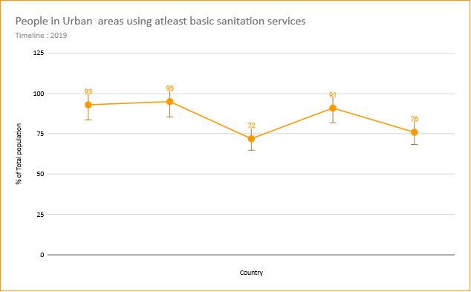

 |  |  |  |  |  |  |  |  |  |  |  | Observation
 |  |  |  |  |  |  |  |  |  |  |  | 1 | In terms of basic sanitation services, India is at he end of the line among BRICS nations. The basic sanitation in urban cities are relatively highter in Brazil, Russia and China above 90% whereas India is at 72%. This shows that the level of sanitation services in the urban areas in India is relatively lower.

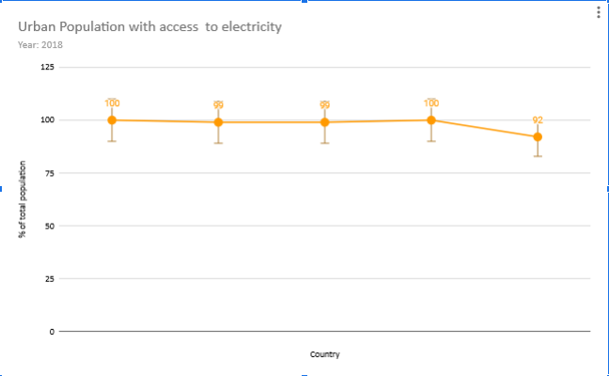

 |  |  |  |  |  |  |  |  |  |  |  | Observation
 |  |  |  |  |  |  |  |  |  |  |  | 1 | In terms of access to electricity in urban areas. India scored well at 99%. Although every nation scores above 90% access to electricity in urban areas.

 |  | Economic activity through night light emission

 |  | India has lowest night time emission among its peers
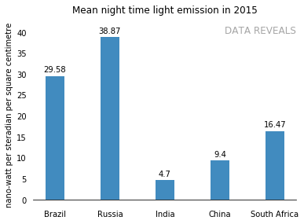

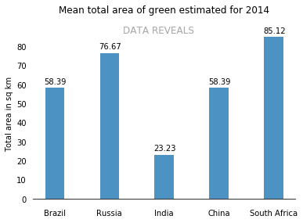

 | Urbanisation (Population Density) vs Prosperity (Per capita Income)

 | India is most densest country with lowest GDP Per capita Income

 |  |  |  |  |  |  |  |  |  |  |  |  |  | Observation
GDP per capita | 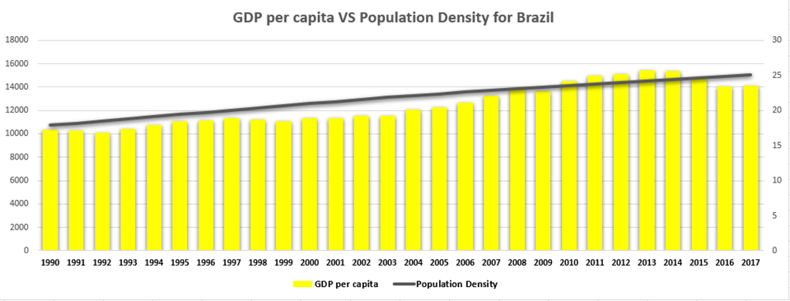 |  |  |  |  |  |  |  |  |  |  | people per sq. km of land area

 |  |  |  |  |  |  |  | Years

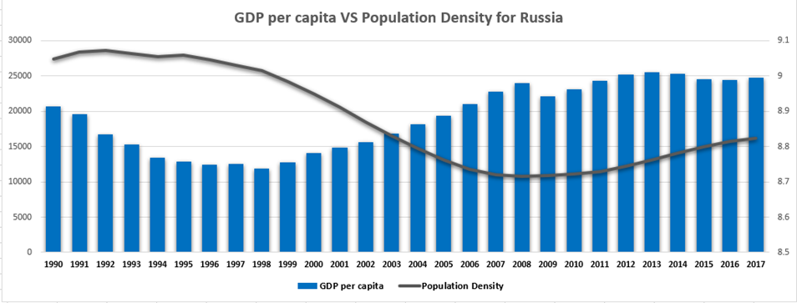

GDP per capita |  |  |  |  |  |  |  |  |  |  |  | people per sq. km of land area

 |  |  |  |  |  |  |  | Years

GDP per capita | 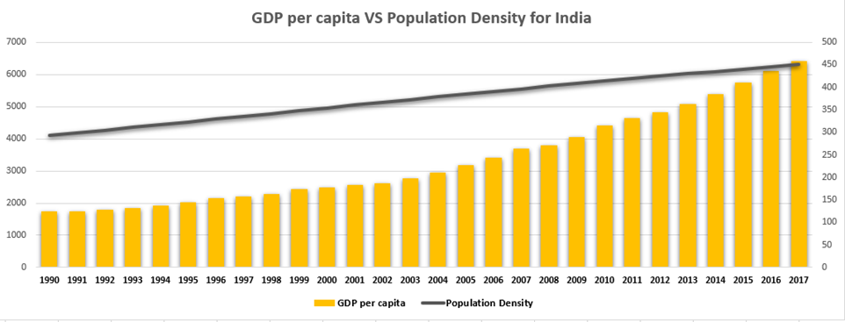 |  |  |  |  |  |  |  |  |  |  | people per sq. km of land area

 |  |  |  |  |  |  |  | Years

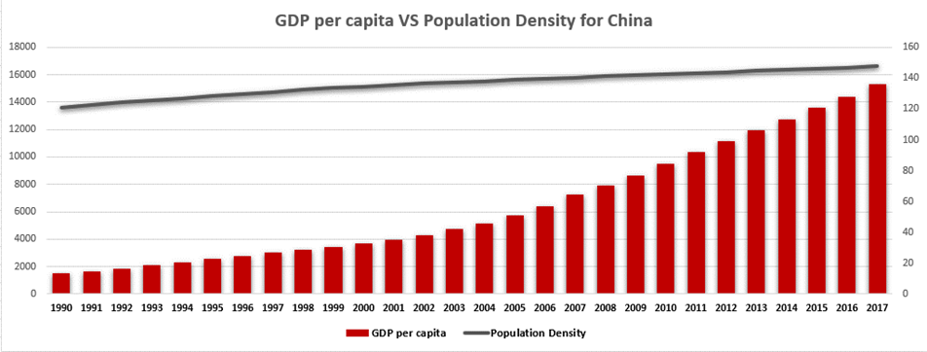

 | GDP per capita |  |  |  |  |  |  |  |  |  |  | people per sq. km of land area

 | GDP per capita

 |  |  |  |  |  |  |  | Years

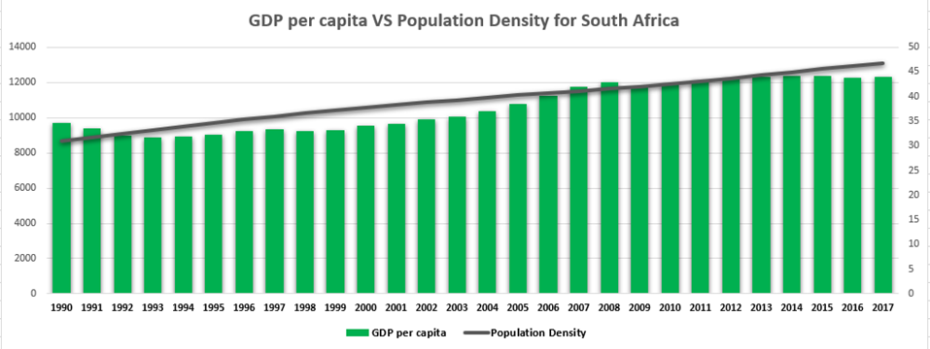

GDP per capita |  |  |  |  |  |  |  |  |  |  |  | people per sq. km of land area

 |  |  |  |  |  |  |  | Years

 |  | Change in percentage share of urban population

 |  | India signals similar % share of urban population pattern across BRICS over decades
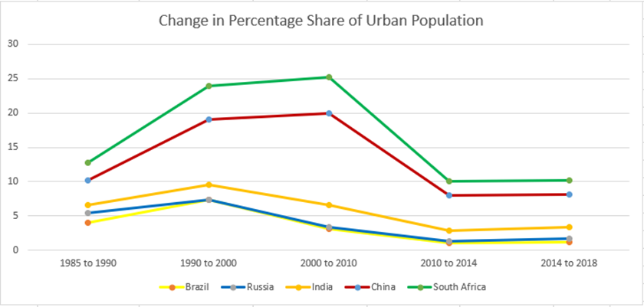

% share of urban population

 |  |  |  |  |  | Years

 |  | Average Annual Rate of change of urban population
 |  | India's is behind China in % average annual rate of urban popolation

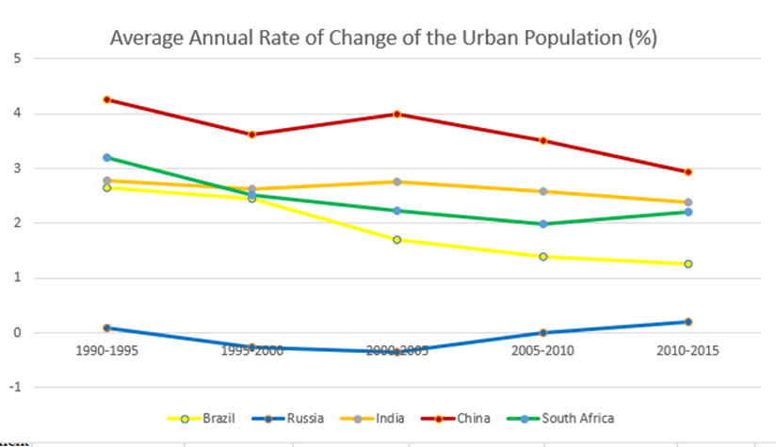

 | % change in urban population

 |  |  |  |  |  |  | Years

Analysis 1
Metric 1: Urbanisation Rate
 | Urban population (% of total population) - Brazil, China, India, Russian Federation, South Africa
. | Country | Year |  | % value | Scores | Source | Observation
 | Brazil | 2019 | % | 87 | 1 | https://data.worldbank.org/indicator/SP.URB.TOTL?end=2019&locations=BR&start=1960&view=chart | 1. India has scored the least in terms of total population in Urban areas at 34% of the total population when compared to the average 64.5% in other areas. In this measure India falls far behind the other emerging nations
 | Russian Federation | 2019 | % | 75 | 2 | United Nations Population Division. World Urbanization Prospects: 2018 Revision.
 | India | 2019 | % | 34 | 5 |  | Lowest score among BRICS
 | China | 2019 | % | 60 | 4
 | South Africa | 2019 | % | 67 | 3

Urban Population- % of total population

Analysis 2
Metric 1: Urbanisation Rate
 | Urban population- Brazil, China, India, Russian Federation, South Africa
. | Country | Year | Value | Difference from mean | Scores | Source | Observation
 | Brazil | 2019 | 183,241,641.00 | 138,479,039.50 | 1 | https://data.worldbank.org/indicator/SP.URB.TOTL?end=2019&locations=BR&start=1960&view=chart | The increase in the number of urban population in the year 2019. India is yet again in the bottom two of the BRICS nations. It can be stated that the flow although urbanisation in India is increasing but its much slower when compared to the the other BRICS nations
 | Russian Federation | 2019 | 107,683.89 | -44,654,917.59 | 5
 | India | 2019 | 471,031.53 | -44,291,569.95 | 4
 | China | 2019 | 842,933.96 | -43,919,667.52 | 3
 | South Africa | 2019 | 39,149,717.00 | -5,612,884.48 | 2
 | Average |  | 44,762,601.48 | 44,762,601.48

Urban Population

 |  |  |  |  |  |  | 1

Analysis 3
Metric 3: Urbanisation | Degree of Urbanisation
 | Urban population Density People (per sq km of land area ) - Brazil, China, India, Russian Federation, South Africa
. | Country | Year |  | Value | Score | Source | Observation
 | Brazil | 2018 | Per sq km | 25 | 4 | https://data.worldbank.org/indicator/EN.POP.DNST?end=2019&locations=BR-RU-IN-CN-ZA&start=1960&view=chart | 1. India has scored the highest on urban population density when compared to the other BRICS nations.
 | Russian Federation | 2018 | Per sq km | 9 | 5 | Food and Agriculture Organization and World Bank population estimates | 2. Nonetheless, the increase in density can be attributed to the total population as India is the second highest populated nation in the world. Therefore it cannot be construed that India's urban density is higher.
 | India | 2018 | Per sq km | 455 | 1
 | China | 2018 | Per sq km | 148 | 2
 | South Africa | 2018 | Per sq km | 48 | 3
 | Average |  |  | 137

Urban population Density People (per sq km of land area )

Analysis 4
Metric 3: Degree of Urbanisation
 | Population in largest city (% of urban Population) - Brazil, China, India, Russian Federation, South Africa
. | Country | Year |  | Value | Scores | Source | Observation
 | Brazil | 2019 | % | 12 | 2 | https://data.worldbank.org/indicator/EN.URB.LCTY.UR.ZS?end=2019&locations=BR-RU-IN-CN-ZA&start=1960&view=chart | India's scoring is just above China at 6% of the total population in the largest city.
 | Russian Federation | 2019 | % | 12 | 2 | United Nations, World Urbanization Prospects.
 | India | 2019 | % | 6 | 4
 | China | 2019 | % | 3 | 3
 | South Africa | 2019 | % | 14 | 1
 | Average |  |  | 9

Population in largest city (% of urban Population)

Analysis 6
Metric 5: Urban Agglomeration
 | Population in urban agglomeration more than 1 million(% of total population) - Brazil, China, India, Russian Federation, South Africa
. | Country | Year | Value% of total Population | Scores | Source | Observation
 | Brazil | 2019 | 42 | 1 | https://data.worldbank.org/indicator/EN.URB.LCTY.UR.ZS?end=2019&locations=BR-RU-IN-CN-ZA&start=1960&view=chart | India has scored 16% of urban agglomeration of more than 1 million in total % of population. Again falling at the last place.
 | Russian Federation | 2019 | 23 | 4 | United Nations, World Urbanization Prospects.
 | India | 2019 | 16 | 5
 | China | 2019 | 29 | 3
 | South Africa | 2019 | 36 | 2
 | Average |  | 29

Population in urban agglomeration more than 1 million(% of total population)

Analysis 7
Metric 6: Urban Sanitation Services
 | People in Urban areas using atleast basic sanitation services - Brazil, China, India, Russian Federation, South Africa
. | Country | Year |  | % of total population | Scores | Source | Observations
 | Brazil | 2019 | % | 93 | 2 | https://data.worldbank.org/indicator/SH.STA.BASS.UR.ZS?end=2019&locations=BR-RU-IN-CN-ZA&start=1960&view=chart | In terms of basic sanitation services, India is at he end of the line among BRICS nations. The basic sanitation in urban cities are relatively highter in Brazil, Russia and China above 90% whereas India is at 72%. This shows that the level of sanitation services in the uran areas in India is relatively lower.
 | Russian Federation | 2019 | % | 95 | 1 | WHO/UNICEF Joint Monitoring Programme ( JMP ) for Water Supply, Sanitation and Hygiene ( washdata.org ).
 | India | 2019 | % | 72 | 5
 | China | 2019 | % | 91 | 3
 | South Africa | 2019 | % | 76 | 4
 | Average |  |  | 85

People in Urban areas using atleast basic sanitation services

Analysis 8
Metric 8: Access to basic neccesities
 | Urban Population with access to electricity (% of urban population) - Brazil, China, India, Russian Federation, South Africa
. | Country | Year |  | Value | Score | Source | Observations
 | Brazil | 2018 | % | 100 | 1 | https://data.worldbank.org/indicator/EG.ELC.ACCS.UR.ZS?end=2019&locations=BR-RU-IN-CN-ZA&start=1960&view=chart | In terms of access to electricity in urban areas. India scored well at 99%. Although every nation scores above 90% access to electricity in urban areas.
 | Russian Federation | 2018 | % | 99.00 | 2 | World Bank, Sustainable Energy for All ( SE4ALL ) database from the SE4ALL Global Tracking Framework led jointly by the World Bank, International Energy Agency, and the Energy Sector Management Assistance Program.
 | India | 2018 | % | 99.00 | 2
 | China | 2018 | % | 100 | 1
 | South Africa | 2018 | % | 92 | 3
 | Average

Urban Population with access to electricity

Screenshots
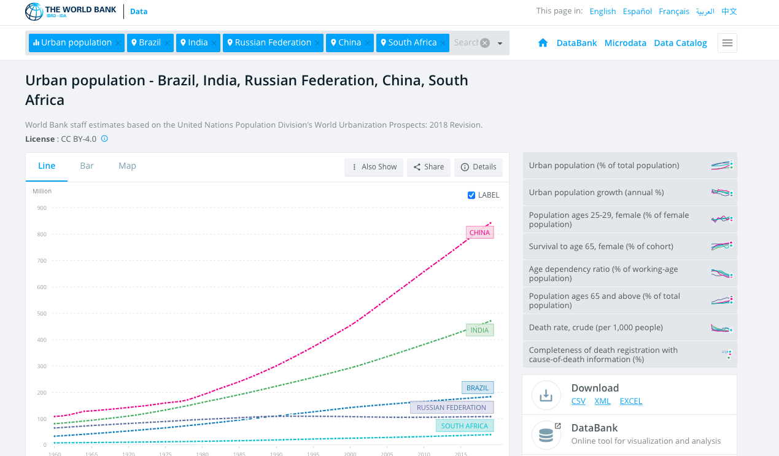
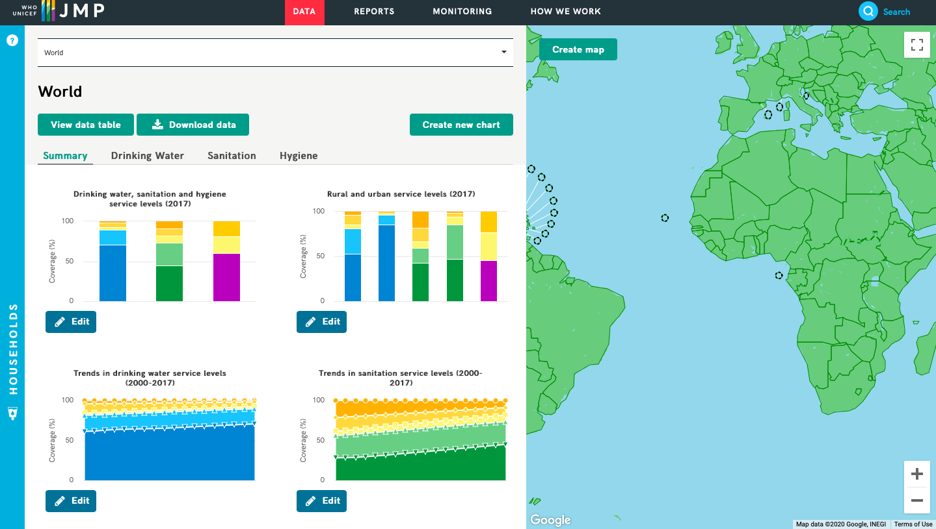

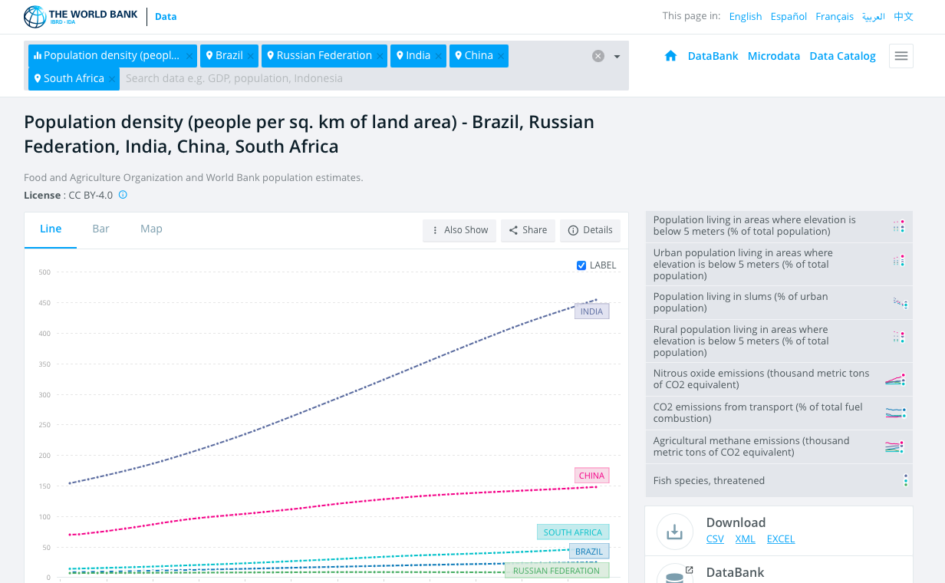
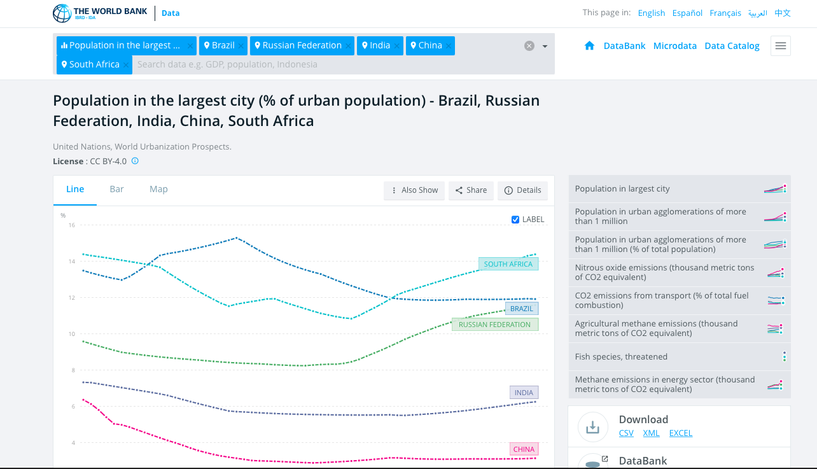

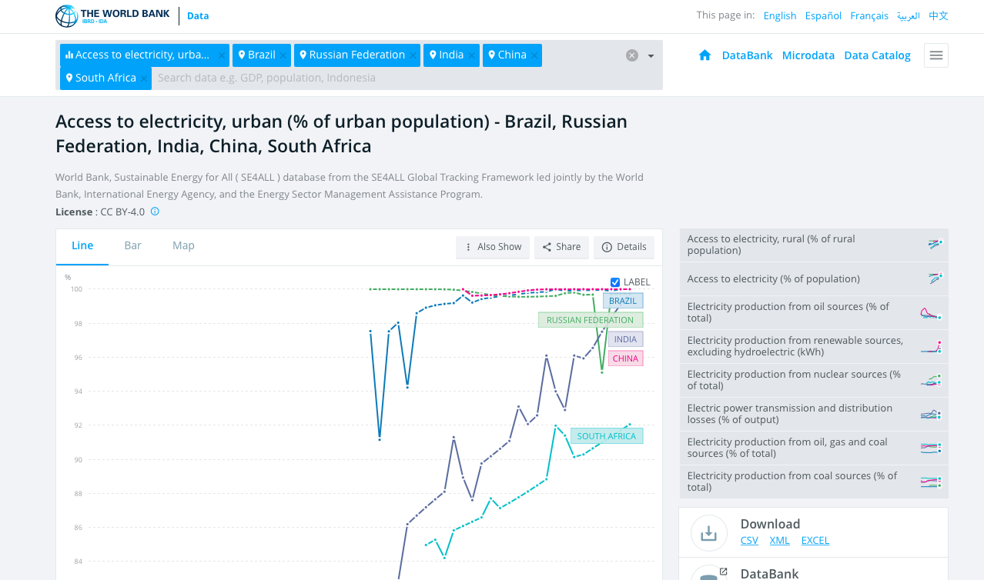

Analysis-LT
 | Urbanization Value - Brazil, Russia,India,China, South Africa
. | Country | Year | Value | Source | Observation

 | Brazil | 2015 | 54.63 | https://jeodpp.jrc.ec.europa.eu/ftp/jrc-opendata/GHSL/ GHS_STAT_UCDB2015MT_GLOBE_R2019A/
 | Russia | 2015 | 44.26 | https://jeodpp.jrc.ec.europa.eu/ftp/jrc-opendata/GHSL/ GHS_STAT_UCDB2015MT_GLOBE_R2019A/
 | India | 2015 | 53.66 | https://jeodpp.jrc.ec.europa.eu/ftp/jrc-opendata/GHSL/ GHS_STAT_UCDB2015MT_GLOBE_R2019A/
 | China | 2015 | 40.31 | https://jeodpp.jrc.ec.europa.eu/ftp/jrc-opendata/GHSL/ GHS_STAT_UCDB2015MT_GLOBE_R2019A/
 | South Africa | 2015 | 45.68 | https://jeodpp.jrc.ec.europa.eu/ftp/jrc-opendata/GHSL/ GHS_STAT_UCDB2015MT_GLOBE_R2019A/

 | Average night time light emission - Brazil, Russia,India,China, South Africa
. | Country | Year | Value | Source | Observation

 | Brazil | 2015 | 29.58 | https://jeodpp.jrc.ec.europa.eu/ftp/jrc-opendata/GHSL/ GHS_STAT_UCDB2015MT_GLOBE_R2019A/
 | Russia | 2015 | 38.87 | https://jeodpp.jrc.ec.europa.eu/ftp/jrc-opendata/GHSL/ GHS_STAT_UCDB2015MT_GLOBE_R2019A/
 | India | 2015 | 4.7 | https://jeodpp.jrc.ec.europa.eu/ftp/jrc-opendata/GHSL/ GHS_STAT_UCDB2015MT_GLOBE_R2019A/
 | China | 2015 | 9.4 | https://jeodpp.jrc.ec.europa.eu/ftp/jrc-opendata/GHSL/ GHS_STAT_UCDB2015MT_GLOBE_R2019A/
 | South Africa | 2015 | 16.47 | https://jeodpp.jrc.ec.europa.eu/ftp/jrc-opendata/GHSL/ GHS_STAT_UCDB2015MT_GLOBE_R2019A/

 | Mean area of urban green - Brazil, Russia,India,China, South Africa
. | Country | Year | Value | Source | Observation

 | Brazil | 2014 | 58.39 | https://jeodpp.jrc.ec.europa.eu/ftp/jrc-opendata/GHSL/ GHS_STAT_UCDB2015MT_GLOBE_R2019A/
 | Russia | 2014 | 76.6 | https://jeodpp.jrc.ec.europa.eu/ftp/jrc-opendata/GHSL/ GHS_STAT_UCDB2015MT_GLOBE_R2019A/
 | India | 2014 | 23.23 | https://jeodpp.jrc.ec.europa.eu/ftp/jrc-opendata/GHSL/ GHS_STAT_UCDB2015MT_GLOBE_R2019A/
 | China | 2014 | 58.39 | https://jeodpp.jrc.ec.europa.eu/ftp/jrc-opendata/GHSL/ GHS_STAT_UCDB2015MT_GLOBE_R2019A/
 | South Africa | 2014 | 85.12 | https://jeodpp.jrc.ec.europa.eu/ftp/jrc-opendata/GHSL/ GHS_STAT_UCDB2015MT_GLOBE_R2019A/



 | Surface of the built-up area per person - Brazil, Russia,India,China, South Africa
. | Country | Year | Value | Source | Observation

 | Brazil | 2000 2015 | 126.7 105.5 | https://jeodpp.jrc.ec.europa.eu/ftp/jrc-opendata/GHSL/ GHS_STAT_UCDB2015MT_GLOBE_R2019A/
 | Russia | 2000 2015 | 157.9 178.4 | https://jeodpp.jrc.ec.europa.eu/ftp/jrc-opendata/GHSL/ GHS_STAT_UCDB2015MT_GLOBE_R2019A/
 | India | 2000 2015 | 14.8 15.8 | https://jeodpp.jrc.ec.europa.eu/ftp/jrc-opendata/GHSL/ GHS_STAT_UCDB2015MT_GLOBE_R2019A/
 | China | 2000 2015 | 79.5 94.6 | https://jeodpp.jrc.ec.europa.eu/ftp/jrc-opendata/GHSL/ GHS_STAT_UCDB2015MT_GLOBE_R2019A/
 | South Africa | 2000 2015 | 119.2 97.2 | https://jeodpp.jrc.ec.europa.eu/ftp/jrc-opendata/GHSL/ GHS_STAT_UCDB2015MT_GLOBE_R2019A/

 | Total built-up area - Brazil, Russia,India,China, South Africa
. | Country | Year | Value | Source | Observation

 | Brazil | 2000 2015 | 9805 10315 | https://jeodpp.jrc.ec.europa.eu/ftp/jrc-opendata/GHSL/ GHS_STAT_UCDB2015MT_GLOBE_R2019A/
 | Russia | 2000 2015 | 8543 9087 | https://jeodpp.jrc.ec.europa.eu/ftp/jrc-opendata/GHSL/ GHS_STAT_UCDB2015MT_GLOBE_R2019A/
 | India | 2000 2015 | 13978 16190 | https://jeodpp.jrc.ec.europa.eu/ftp/jrc-opendata/GHSL/ GHS_STAT_UCDB2015MT_GLOBE_R2019A/
 | China | 2000 2015 | 40965 49300 | https://jeodpp.jrc.ec.europa.eu/ftp/jrc-opendata/GHSL/ GHS_STAT_UCDB2015MT_GLOBE_R2019A/
 | South Africa | 2000 2015 | 2762 2893 | https://jeodpp.jrc.ec.europa.eu/ftp/jrc-opendata/GHSL/ GHS_STAT_UCDB2015MT_GLOBE_R2019A/

